Лист1
User story:

As a user I want to have posibility to save my personal info in my account on site, an ability to register through Facebook or Google, an ability to use registered personal data to login to my account

Desing
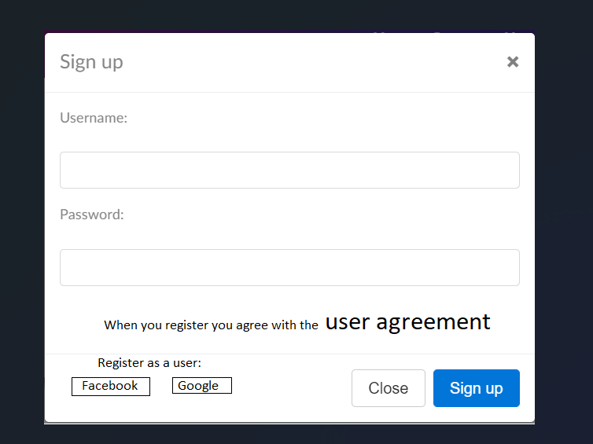

Close button by hover

Sign up button by hover

Description:

Create Sing up form to have ability to Sign up

Username - should have one word without backspace.Restrict to use~#@/&assword - should have at least 6 symbols

Password - should have at least 8 symbol without backspace

User Agreement - when you click on incription, the agreement opens for review

In case try to save such user - show alert | Please do not use specific symbol and backspace
In case empty fields - show alert | Please fill out Username and Password
if user was deleted | User was deleted or blocked/Please contact to support
if user blocked | User was deleted or blocked/Please contact to support
if field Sign up contain fewer characters than necessary | Sign up contains at least 6 symbols
if field Password contain fewer characters than necessary | Password contains at least 8 symbols

Close - close form without sign up

Sign up - sign with correct account on a new tab

Fit criteria

After sign up user will have own session and can change personal data

DoD

Register in the site as a user and show the user's page with personal info on a new tab

